Exercicio 1
 | 16 | 8 | 4 | 2 | 1
 | 2^4 | 2^3 | 2^2 | 2^1 | 2^0
 | A | B | C | D | E | S
S = S1 * S2 | 0 | 0 | 0 | 0 | 0 | 0
S1 = (A * B * C) | 0 | 0 | 0 | 0 | 1 | 0
S2 = ( D * E ) | 0 | 0 | 0 | 1 | 0 | 0
S = ( A * B * C) * (D * E) | 0 | 0 | 0 | 1 | 1 | 0
 | 0 | 0 | 1 | 0 | 0 | 0
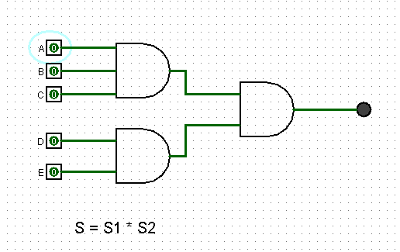
 | 0 | 0 | 1 | 0 | 1 | 0
 | 0 | 0 | 1 | 1 | 0 | 0
 | 0 | 1 | 1 | 1 | 1 | 0
 | 0 | 1 | 0 | 0 | 0 | 0
 | 0 | 1 | 0 | 0 | 1 | 0
 | 0 | 1 | 0 | 1 | 0 | 0
 | 0 | 1 | 0 | 1 | 1 | 0
 | 0 | 1 | 1 | 0 | 0 | 0
 | 0 | 1 | 1 | 0 | 1 | 0
 | 0 | 1 | 1 | 1 | 0 | 0
 | 0 | 1 | 1 | 1 | 1 | 0
 | 1 | 0 | 0 | 0 | 0 | 0
 | 1 | 0 | 0 | 0 | 1 | 0
 | 1 | 0 | 0 | 1 | 0 | 0
 | 1 | 0 | 0 | 1 | 1 | 0
 | 1 | 0 | 1 | 0 | 0 | 0
 | 1 | 0 | 1 | 0 | 1 | 0
 | 1 | 0 | 1 | 1 | 0 | 0
 | 1 | 0 | 1 | 1 | 1 | 0
 | 1 | 1 | 0 | 0 | 0 | 0
 | 1 | 1 | 0 | 0 | 1 | 0
 | 1 | 1 | 0 | 1 | 0 | 0
 | 1 | 1 | 0 | 1 | 1 | 0
 | 1 | 1 | 1 | 0 | 0 | 0
 | 1 | 1 | 1 | 0 | 1 | 0
 | 1 | 1 | 1 | 1 | 0 | 0
 | 1 | 1 | 1 | 1 | 1 | 1

Exercicio2
 | 32 | 16 | 8 | 4 | 2 | 1
 | 2^5 | 2^4 | 2^3 | 2^2 | 2^1 | 2^0
 | A | B | C | D | E | F | S
S = S1 + S2 + S3 | 0 | 0 | 0 | 0 | 0 | 0 | 0
S = ( AC) + (B+D) + (EF) | 0 | 0 | 0 | 0 | 0 | 1 | 0
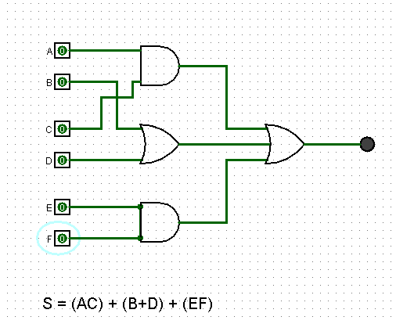
 | 0 | 0 | 0 | 0 | 1 | 0 | 0
 | 0 | 0 | 0 | 0 | 1 | 1 | 1
 | 0 | 0 | 0 | 1 | 0 | 0 | 1
 | 0 | 0 | 0 | 1 | 0 | 1 | 1
 | 0 | 0 | 0 | 1 | 1 | 0 | 1
 | 0 | 0 | 0 | 1 | 1 | 1 | 1
 | 0 | 0 | 1 | 0 | 0 | 0 | 0
 | 0 | 0 | 1 | 0 | 0 | 1 | 0
 | 0 | 0 | 1 | 0 | 1 | 0 | 0
 | 0 | 0 | 1 | 0 | 1 | 1 | 1
 | 0 | 0 | 1 | 1 | 0 | 0 | 1
 | 0 | 0 | 1 | 1 | 0 | 1 | 1
 | 0 | 0 | 1 | 1 | 1 | 0 | 1
 | 0 | 0 | 1 | 1 | 1 | 1 | 1
 | 0 | 1 | 0 | 0 | 0 | 0 | 1
 | 0 | 1 | 0 | 0 | 0 | 1 | 1
 | 0 | 1 | 0 | 0 | 1 | 0 | 1
 | 0 | 1 | 0 | 0 | 1 | 1 | 1
 | 0 | 1 | 0 | 1 | 0 | 0 | 1
 | 0 | 1 | 0 | 1 | 0 | 1 | 1
 | 0 | 1 | 0 | 1 | 1 | 0 | 1
 | 0 | 1 | 0 | 1 | 1 | 1 | 1
 | 0 | 1 | 1 | 0 | 0 | 0 | 1
 | 0 | 1 | 1 | 0 | 0 | 1 | 1
 | 0 | 1 | 1 | 0 | 1 | 0 | 1
 | 0 | 1 | 1 | 0 | 1 | 1 | 1
 | 0 | 1 | 1 | 1 | 0 | 0 | 1
 | 0 | 1 | 1 | 1 | 0 | 1 | 1
 | 0 | 1 | 1 | 1 | 1 | 0 | 1
 | 0 | 1 | 1 | 1 | 1 | 1 | 1
 | 1 | 0 | 0 | 0 | 0 | 0 | 0
 | 1 | 0 | 0 | 0 | 0 | 1 | 0
 | 1 | 0 | 0 | 0 | 1 | 0 | 0
 | 1 | 0 | 0 | 0 | 1 | 1 | 1
 | 1 | 0 | 0 | 1 | 0 | 0 | 1
 | 1 | 0 | 0 | 1 | 0 | 1 | 1
 | 1 | 0 | 0 | 1 | 1 | 0 | 1
 | 1 | 0 | 0 | 1 | 1 | 1 | 1
 | 1 | 0 | 1 | 0 | 0 | 0 | 1
 | 1 | 0 | 1 | 0 | 0 | 1 | 1
 | 1 | 0 | 1 | 0 | 1 | 0 | 1
 | 1 | 0 | 1 | 0 | 1 | 1 | 1
 | 1 | 0 | 1 | 1 | 0 | 0 | 1
 | 1 | 0 | 1 | 1 | 0 | 1 | 1
 | 1 | 0 | 1 | 1 | 1 | 0 | 1
 | 1 | 0 | 1 | 1 | 1 | 1 | 1
 | 1 | 1 | 0 | 0 | 0 | 0 | 1
 | 1 | 1 | 0 | 0 | 0 | 1 | 1
 | 1 | 1 | 0 | 0 | 1 | 0 | 1
 | 1 | 1 | 0 | 0 | 1 | 1 | 1
 | 1 | 1 | 0 | 1 | 0 | 0 | 1
 | 1 | 1 | 0 | 1 | 0 | 1 | 1
 | 1 | 1 | 0 | 1 | 1 | 0 | 1
 | 1 | 1 | 0 | 1 | 1 | 1 | 1
 | 1 | 1 | 1 | 0 | 0 | 0 | 1
 | 1 | 1 | 1 | 0 | 0 | 1 | 1
 | 1 | 1 | 1 | 0 | 1 | 0 | 1
 | 1 | 1 | 1 | 0 | 1 | 1 | 1
 | 1 | 1 | 1 | 1 | 0 | 0 | 1
 | 1 | 1 | 1 | 1 | 0 | 1 | 1
 | 1 | 1 | 1 | 1 | 1 | 0 | 1
 | 1 | 1 | 1 | 1 | 1 | 1 | 1

Exercicio3
8 | 4 | 2 | 1
2^3 | 2^2 | 2^1 | 2^0
A | B | C | D | S
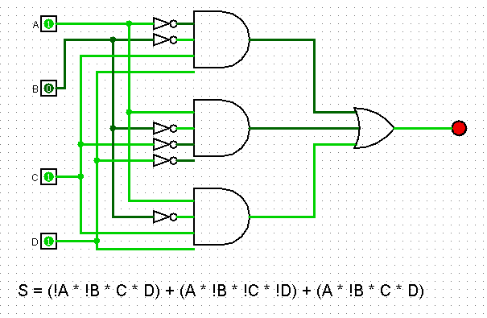
0 | 0 | 0 | 0 | 0
0 | 0 | 0 | 1 | 0
0 | 0 | 1 | 0 | 0
0 | 0 | 1 | 1 | 1 | !A | !B | C | D | => | (!A * !B * C* D)
0 | 1 | 0 | 0 | 0
0 | 1 | 0 | 1 | 0
0 | 1 | 1 | 0 | 0
0 | 1 | 1 | 1 | 0
1 | 0 | 0 | 0 | 1 | A | !B | !C | !D | => | (A*!B*!C*!D)
1 | 0 | 0 | 1 | 0
1 | 0 | 1 | 0 | 0
1 | 0 | 1 | 1 | 1 | A | !B | C | D | => | (A*!B*C*D)
1 | 1 | 0 | 0 | 0
1 | 1 | 0 | 1 | 0 | S = (!A * !B * C* D) + (A*!B*!C*!D) + (A*!B*C*D)
1 | 1 | 1 | 0 | 0
1 | 1 | 1 | 1 | 0

Exercicio1 - pagina 2
 | 16 | 8 | 4 | 2 | 1
 | 2^4 | 2^3 | 2^2 | 2^1 | 2^0
S = !(S1 * S2) | A | B | C | D | E | S
 | 0 | 0 | 0 | 0 | 0 | 1
S1 = A + B + C | 0 | 0 | 0 | 0 | 1 | 1
S2 = D + E | 0 | 0 | 0 | 1 | 0 | 1
 | 0 | 0 | 0 | 1 | 1 | 1
S = !( ( A + B + C ) * (D + E) ) | 0 | 0 | 1 | 0 | 0 | 1
 | 0 | 0 | 1 | 0 | 1 | 0
 | 0 | 0 | 1 | 1 | 0 | 0
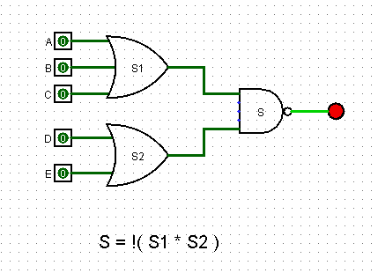
 | 0 | 1 | 1 | 1 | 1 | 0
 | 0 | 1 | 0 | 0 | 0 | 1
 | 0 | 1 | 0 | 0 | 1 | 0
 | 0 | 1 | 0 | 1 | 0 | 0
 | 0 | 1 | 0 | 1 | 1 | 0
 | 0 | 1 | 1 | 0 | 0 | 1
 | 0 | 1 | 1 | 0 | 1 | 0
 | 0 | 1 | 1 | 1 | 0 | 0
 | 0 | 1 | 1 | 1 | 1 | 0
 | 1 | 0 | 0 | 0 | 0 | 1
 | 1 | 0 | 0 | 0 | 1 | 0
 | 1 | 0 | 0 | 1 | 0 | 0
 | 1 | 0 | 0 | 1 | 1 | 0
 | 1 | 0 | 1 | 0 | 0 | 1
 | 1 | 0 | 1 | 0 | 1 | 0
 | 1 | 0 | 1 | 1 | 0 | 0
 | 1 | 0 | 1 | 1 | 1 | 0
 | 1 | 1 | 0 | 0 | 0 | 1
 | 1 | 1 | 0 | 0 | 1 | 0
 | 1 | 1 | 0 | 1 | 0 | 0
 | 1 | 1 | 0 | 1 | 1 | 0
 | 1 | 1 | 1 | 0 | 0 | 1
 | 1 | 1 | 1 | 0 | 1 | 0
 | 1 | 1 | 1 | 1 | 0 | 0
 | 1 | 1 | 1 | 1 | 1 | 0

Exercicio2 - pagina 2
 | 32 | 16 | 8 | 4 | 2 | 1
 | 2^5 | 2^4 | 2^3 | 2^2 | 2^1 | 2^0
S = A(B+D) + (EF) + C | A | B | C | D | E | F | S
 | 0 | 0 | 0 | 0 | 0 | 0 | 0
S1 = B + D | 0 | 0 | 0 | 0 | 0 | 1 | 0
S2 = E * F | 0 | 0 | 0 | 0 | 1 | 0 | 0
S3 = A * S1 | 0 | 0 | 0 | 0 | 1 | 1 | 1
S4 = S2 + C | 0 | 0 | 0 | 1 | 0 | 0 | 0
S = S3 + S4 | 0 | 0 | 0 | 1 | 0 | 1 | 0
 | 0 | 0 | 0 | 1 | 1 | 0 | 0
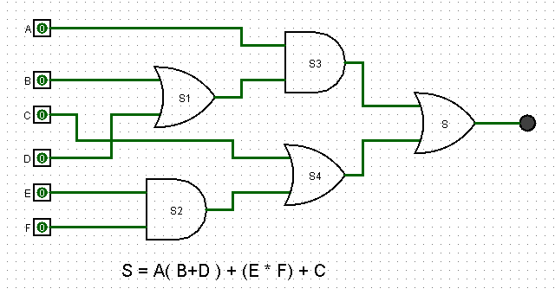
 | 0 | 0 | 0 | 1 | 1 | 1 | 1
 | 0 | 0 | 1 | 0 | 0 | 0 | 1
 | 0 | 0 | 1 | 0 | 0 | 1 | 1
 | 0 | 0 | 1 | 0 | 1 | 0 | 1
 | 0 | 0 | 1 | 0 | 1 | 1 | 1
 | 0 | 0 | 1 | 1 | 0 | 0 | 1
 | 0 | 0 | 1 | 1 | 0 | 1 | 1
 | 0 | 0 | 1 | 1 | 1 | 0 | 1
 | 0 | 0 | 1 | 1 | 1 | 1 | 1
 | 0 | 1 | 0 | 0 | 0 | 0 | 0
 | 0 | 1 | 0 | 0 | 0 | 1 | 0
 | 0 | 1 | 0 | 0 | 1 | 0 | 0
 | 0 | 1 | 0 | 0 | 1 | 1 | 1
 | 0 | 1 | 0 | 1 | 0 | 0 | 0
 | 0 | 1 | 0 | 1 | 0 | 1 | 0
 | 0 | 1 | 0 | 1 | 1 | 0 | 0
 | 0 | 1 | 0 | 1 | 1 | 1 | 1
 | 0 | 1 | 1 | 0 | 0 | 0 | 1
 | 0 | 1 | 1 | 0 | 0 | 1 | 1
 | 0 | 1 | 1 | 0 | 1 | 0 | 1
 | 0 | 1 | 1 | 0 | 1 | 1 | 1
 | 0 | 1 | 1 | 1 | 0 | 0 | 1
 | 0 | 1 | 1 | 1 | 0 | 1 | 1
 | 0 | 1 | 1 | 1 | 1 | 0 | 1
 | 0 | 1 | 1 | 1 | 1 | 1 | 1
 | 1 | 0 | 0 | 0 | 0 | 0 | 1
 | 1 | 0 | 0 | 0 | 0 | 1 | 0
 | 1 | 0 | 0 | 0 | 1 | 0 | 0
 | 1 | 0 | 0 | 0 | 1 | 1 | 1
 | 1 | 0 | 0 | 1 | 0 | 0 | 0
 | 1 | 0 | 0 | 1 | 0 | 1 | 1
 | 1 | 0 | 0 | 1 | 1 | 0 | 1
 | 1 | 0 | 0 | 1 | 1 | 1 | 1
 | 1 | 0 | 1 | 0 | 0 | 0 | 1
 | 1 | 0 | 1 | 0 | 0 | 1 | 1
 | 1 | 0 | 1 | 0 | 1 | 0 | 1
 | 1 | 0 | 1 | 0 | 1 | 1 | 1
 | 1 | 0 | 1 | 1 | 0 | 0 | 1
 | 1 | 0 | 1 | 1 | 0 | 1 | 1
 | 1 | 0 | 1 | 1 | 1 | 0 | 1
 | 1 | 0 | 1 | 1 | 1 | 1 | 1
 | 1 | 1 | 0 | 0 | 0 | 0 | 1
 | 1 | 1 | 0 | 0 | 0 | 1 | 1
 | 1 | 1 | 0 | 0 | 1 | 0 | 1
 | 1 | 1 | 0 | 0 | 1 | 1 | 1
 | 1 | 1 | 0 | 1 | 0 | 0 | 1
 | 1 | 1 | 0 | 1 | 0 | 1 | 1
 | 1 | 1 | 0 | 1 | 1 | 0 | 1
 | 1 | 1 | 0 | 1 | 1 | 1 | 1
 | 1 | 1 | 1 | 0 | 0 | 0 | 1
 | 1 | 1 | 1 | 0 | 0 | 1 | 1
 | 1 | 1 | 1 | 0 | 1 | 0 | 1
 | 1 | 1 | 1 | 0 | 1 | 1 | 1
 | 1 | 1 | 1 | 1 | 0 | 0 | 1
 | 1 | 1 | 1 | 1 | 0 | 1 | 1
 | 1 | 1 | 1 | 1 | 1 | 0 | 1
 | 1 | 1 | 1 | 1 | 1 | 1 | 1

Exercicio3 - pagina 2
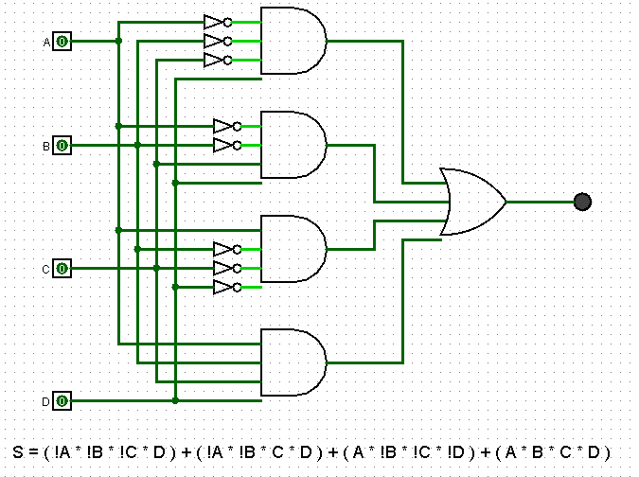
8 | 4 | 2 | 1
2^3 | 2^2 | 2^1 | 2^0
A | B | C | D | S
0 | 0 | 0 | 0 | 0
0 | 0 | 0 | 1 | 1 | !A | !B | !C | D | => | ( !A * !B * !C * D)
0 | 0 | 1 | 0 | 0
0 | 0 | 1 | 1 | 1 | !A | !B | C | D | => | ( !A * !B * C * D)
0 | 1 | 0 | 0 | 0
0 | 1 | 0 | 1 | 0
0 | 1 | 1 | 0 | 0
0 | 1 | 1 | 1 | 0
1 | 0 | 0 | 0 | 1 | A | !B | !C | !D | => | ( A * !B * !C * !D)
1 | 0 | 0 | 1 | 0
1 | 0 | 1 | 0 | 0
1 | 0 | 1 | 1 | 0
1 | 1 | 0 | 0 | 0
1 | 1 | 0 | 1 | 0
1 | 1 | 1 | 0 | 0
1 | 1 | 1 | 1 | 1 | A | B | C | D | => | ( A * B * C * D)

 |  |  |  |  | S = ( !A * !B * !C * D) + ( !A * !B * C * D) + ( A * !B * !C * !D) + ( A * B * C * D)

